TSR & Moment Matrix
DOI: 10.6084/m9.figshare.29022083
Validation Eq: M_net(U0,w)=M_inertia(0,w)+M_driving(U0,0)
 |  |  |  |  |  |  |  |  |  |  |  |  |  |  |  |  |  |  |  | Calculate M_drive:
TSR matrix: |  |  |  |  |  |  |  |  |  | Moment Matrix: |  |  |  |  |  |  |  |  |  | w=1rad/s | δFn*(kN) | δFt*(kN) | R | δMnormal | δMtangential | Avg Mtan kNm | Minertia |  | R | δMtangential | δMtangential | δMtangential
 |  |  |  |  |  |  |  |  |  |  |  |  |  |  |  |  |  |  |  |  | 6.46 | 2.82 | 2.774 | 17.923 | 7.818 | 27.705 | 239.6 |  | 2.774 | 7.82 | 6.11 | 19.45
 |  |  |  |  |  |  |  |  |  |  |  |  |  |  |  |  |  |  |  |  | 9.89 | 4.87 | 3.377 | 33.400 | 16.441 | Sum Mtan kNm | Mnet |  | 3.377 | 16.44 | 18.41 | 22.59
 |  |  |  |  |  |  |  |  | R |  |  | 1000 |  |  |  |  |  |  |  |  | 13.64 | 6.33 | 3.980 | 54.275 | 25.177 | 277.046 | 37.45 |  | 3.980 | 25.18 | 28.98 | 22.69
Segregated flow+ Unsteady: |  |  |  |  |  |  |  |  | 8.5 |  |  |  |  |  |  |  |  |  |  |  | 15.70 | 6.27 | 4.582 | 71.955 | 28.727 | C_Mtan | f |  | 4.582 | 28.73 | 32.66 | 20.56
TSR |  | w rad/s |  |  |  |  |  |  |  | Total Moment (kNm) |  | w |  |  |  |  |  |  |  |  | 17.28 | 5.98 | 5.185 | 89.590 | 31.008 | 0.0700474 | 4.159 |  | 5.185 | 31.01 | 34.12 | 17.93
 |  | 0.800 | 0.817 | 1.000 | 1.055 | 1.067 | 1.100 | 1.260 | 1.400 |  |  | 0.800 | 0.817 | 1.055 | 1.067 | 1.100 | 1.260 | 1.335 | 1.400 |  | 18.72 | 5.69 | 5.788 | 108.355 | 32.911 |  |  |  | 5.788 | 32.91 | 34.95 | 17.05
U0 | 0.40 | 17.00 | 17.36 | 21.25 | 22.42 | 22.67 | 23.38 | 26.78 | 29.75 | U0 | 0.40 | -60.98 | -41.95 | -92.01 | -94.84 | -102.69 | -143.16 |  | -182.06 |  | 20.25 | 5.46 | 6.391 | 129.412 | 34.876 | Avg Mn |  |  | 6.391 | 34.88 | 36.60 | 17.95
 | 0.60 | 11.33 | 11.57 | 14.17 | 14.95 | 15.12 | 15.58 | 17.85 | 19.83 |  | 0.60 | -53.71 | -56.73 | -104.13 | -106.81 | -114.30 | -154.24 |  | -191.21 |  | 21.85 | 5.25 | 6.993 | 152.782 | 36.683 | 99.660 |  |  | 6.993 | 36.68 | 39.14 | 20.99
 | 0.76 | 8.99 | 9.19 | 11.24 | 11.86 | 12.00 | 12.37 | 14.17 | 15.74 |  | 0.76 | -42.25 | -45.38 | -95.08 | -97.85 | -105.60 | -145.53 |  | -184.44 |  | 23.01 | 4.86 | 7.596 | 174.782 | 36.926 | Sum Mn |  |  | 7.596 | 36.93 | 40.43 | 25.93
 | 0.80 | 8.50 | 8.68 | 10.63 | 11.21 | 11.34 | 11.69 | 13.39 | 14.87 |  | 0.80 | -38.79 | -41.95 | -92.01 | -94.85 | -102.69 | -143.16 |  | -182.06 |  | 20.02 | 3.23 | 8.199 | 164.123 | 26.479 | 996.597 |  |  | 8.199 | 26.48 | 28.97 | 29.20
 | 0.81 | 8.40 | 8.57 | 10.49 | 11.07 | 11.20 | 11.54 | 13.22 | 14.69 |  | 0.81 | -37.90 | -41.05 | -91.21 | -94.02 | -101.89 | -142.51 |  | -181.42 |  |  |  |  |  |  | Sum Fn
 | 0.90 | 7.56 | 7.72 | 9.44 | 9.96 | 10.08 | 10.39 | 11.90 | 13.22 |  | 0.90 | -29.40 | -32.52 | -83.32 | -86.21 | -94.21 | -135.74 |  | -175.57 |  |  |  |  |  |  | 166.816 |  | a'_corr
 | 1.00 | 6.80 | 6.94 | 8.50 | 8.97 | 9.07 | 9.35 | 10.71 | 11.90 |  | 1.00 | -19.46 | -22.47 | -73.03 | -75.93 | -84.03 | -126.38 |  | -167.22 | w=1.26 rad/s | δFn*(kN) | δFt*(kN) | R | δMnormal | δMtangential | Avg Mtan kNm | Minertia | -0.00006 |  | Mdriven | Minertia | Mnet | Mnet (simul)
 | 1.10 | 6.18 | 6.31 | 7.73 | 8.15 | 8.25 | 8.50 | 9.74 | 10.82 |  | 1.10 | -9.88 | -12.52 | -61.37 | -64.29 | -72.48 | -115.37 |  | -156.86 |  | 7.73 | 2.20 | 2.774 | 21.458 | 6.109 | 30.037 | 283.7 | 0.00217 |  | 277.046 | -239.6 | 37.45 | 41.77
 | 1.20 | 5.67 | 5.79 | 7.08 | 7.47 | 7.56 | 7.79 | 8.93 | 9.92 |  | 1.20 | -0.15 | -2.83 | -48.74 | -51.61 | -59.72 | -102.88 |  | -144.96 |  | 14.72 | 5.45 | 3.377 | 49.717 | 18.413 | Sum Mtan kNm | Mnet | 0.00345 |  | 300.366 | -283.7 | 16.67 | 17.07
 | 1.30 | 5.23 | 5.34 | 6.54 | 6.90 | 6.98 | 7.19 | 8.24 | 9.15 |  | 1.30 | 8.77 | 6.79 | -35.68 | -38.41 | -46.28 | -88.99 |  | -131.43 |  | 20.79 | 7.28 | 3.980 | 82.751 | 28.981 | 300.366 | 16.67 | 0.00420 |  | 214.340 | -214.6 | -0.26 | 0.12
 | 1.40 | 4.86 | 4.96 | 6.07 | 6.41 | 6.48 | 6.68 | 7.65 | 8.50 |  | 1.40 | 15.85 | 13.64 | -22.63 | -25.12 | -32.57 | -74.07 |  | -116.54 |  | 24.34 | 7.13 | 4.582 | 111.519 | 32.655 | C_Mtan | f | 0.00463
 | 1.50 | 4.53 | 4.63 | 5.67 | 5.98 | 6.05 | 6.23 | 7.14 | 7.93 |  | 1.50 | 22.31 | 21.21 | -10.31 | -12.94 | -19.19 | -58.62 |  | -100.43 |  | 27.10 | 6.58 | 5.185 | 140.521 | 34.116 | 0.0759435 | 1.059 | 0.00485
 | 1.60 | 4.25 | 4.34 | 5.31 | 5.60 | 5.67 | 5.84 | 6.69 | 7.44 |  | 1.60 | 27.50 | 26.89 | 1.91 | 0.67 | -6.65 | -42.87 |  | -83.52 |  | 29.67 | 6.04 | 5.788 | 171.699 | 34.947 |  |  | 0.00493
 | 1.70 | 4.00 | 4.09 | 5.00 | 5.27 | 5.34 | 5.50 | 6.30 | 7.00 |  | 1.70 | 32.33 | 32.01 | 13.98 | 12.68 | 5.59 | -27.52 |  | -66.25 |  | 32.39 | 5.73 | 6.391 | 207.016 | 36.603 | Avg Mn |  | 0.00506
 | 1.80 | 3.78 | 3.86 | 4.72 | 4.98 | 5.04 | 5.19 | 5.95 | 6.61 |  | 1.80 | 36.73 | 36.67 | 22.87 | 22.47 | 18.38 | -12.79 |  | -48.82 |  | 35.40 | 5.60 | 6.993 | 247.587 | 39.141 | 30.037 |  | 0.00546 |  | radii | a_corr | a'_corr
 | 1.90 | 3.58 | 3.66 | 4.47 | 4.72 | 4.77 | 4.92 | 5.64 | 6.26 |  | 1.90 | 40.79 | 40.93 | 32.97 | 31.92 | 26.51 | 1.30 |  | -31.63 |  | 38.74 | 5.32 | 7.596 | 294.237 | 40.426 | Sum Mn |  | 0.00653 |  | 2.473 | 4.5219150378E-05 | -4.5219150378E-05
 | 2.00 | 3.40 | 3.47 | 4.25 | 4.48 | 4.53 | 4.68 | 5.36 | 5.95 |  | 2.00 | 44.31 | 44.72 | 40.88 | 40.30 | 37.84 | 17.07 | 0.12 | -15.18 |  | 42.53 | 3.53 | 8.199 | 348.660 | 28.973 | 300.366 |  | 0.00772 |  | 3.076 | 0.00963 | 0.00234
 | 2.10 | 3.24 | 3.31 | 4.05 | 4.27 | 4.32 | 4.45 | 5.10 | 5.67 |  | 2.50 | 58.45 | 59.67 | 71.17 | 71.33 | 71.58 | 68.03 |  | 57.29 | w=1.335 rad/s | δFn*(kN) | δFt*(kN) | R | δMnormal | δMtangential | Avg Mtan kNm | Minertia | a' |  | 3.678 | 0.02153 | 0.00365
 | 2.50 | 2.72 | 2.78 | 3.40 | 3.59 | 3.63 | 3.74 | 4.28 | 4.76 |  | 3.00 | 74.19 | 75.03 | 92.41 | 93.31 | 95.52 | 102.40 |  | 102.86 |  | 12.64 | 7.01 | 2.774 | 35.054 | 19.447 | 21.434 | 214.6 | -0.00007 |  | 4.281 | 0.03534 | 0.00442
 | 3.00 | 2.27 | 2.31 | 2.83 | 2.99 | 3.02 | 3.12 | 3.57 | 3.97 |  | 4.00 | 112.11 | 113.43 | 131.28 | 132.22 | 134.54 | 148.75 |  | 164.40 |  | 15.32 | 6.69 | 3.377 | 51.750 | 22.591 | Sum Mtan kNm | Mnet | 0.00215 |  | 4.884 | 0.05031 | 0.00487
 | 4.00 | 1.70 | 1.74 | 2.13 | 2.24 | 2.27 | 2.34 | 2.68 | 2.97 |  |  |  |  |  |  |  |  |  |  |  | 16.12 | 5.70 | 3.980 | 64.163 | 22.693 | 214.340 | -0.26 | 0.00342 |  | 5.486 | 0.06563 | 0.00514
 | 5.00 | 1.36 | 1.39 | 1.70 | 1.79 | 1.81 | 1.87 | 2.14 | 2.38 |  |  |  |  |  |  |  |  |  |  |  | 15.68 | 4.49 | 4.582 | 71.860 | 20.558 | C_Mtan | f | 0.00417 |  | 6.089 | 0.08079 | 0.00534
Midle |  |  |  |  | -11.882 |  |  |  |  |  |  |  |  |  |  |  |  |  |  |  | 14.93 | 3.46 | 5.185 | 77.418 | 17.928 | 0.0541930 | 0.999 | 0.00458 |  | 6.692 | 0.09836 | 0.00567
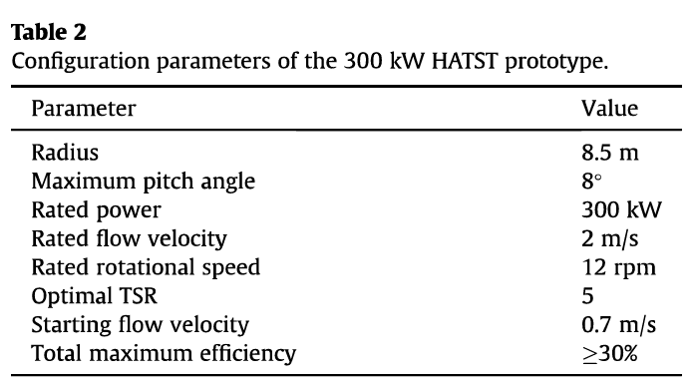
 |  |  |  |  |  |  |  |  |  |  |  |  |  |  |  |  |  |  |  |  | 15.08 | 2.95 | 5.788 | 87.269 | 17.047 |  |  | 0.00422 |  | 7.295 | 0.12386 | 0.00637
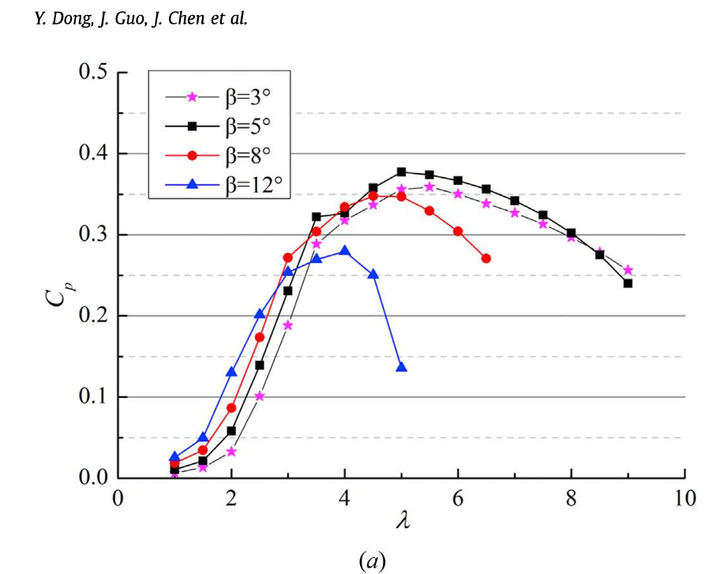
5
5.45
 |  |  |  | Validation |  |  |  |  |  |  |  |  |  |  |  |  |  |  |  |  | 16.37 | 2.81 | 6.391 | 104.606 | 17.952 | Avg Mn |  | 0.00528 |  | 7.897 | 0.17605 | 0.00802
 |  |  |  |  |  |  |  |  |  |  |  |  |  |  |  |  |  |  |  |  | 19.10 | 3.00 | 6.993 | 133.595 | 20.994 | 21.434 |  | 0.00526 |  | 8.500 | 0.47750 | 0.01332
 |  |  |  |  |  |  |  |  |  |  |  |  |  |  |  |  |  |  |  |  | 21.99 | 3.41 | 7.596 | 167.008 | 25.932 | Sum Mn |  | 0.00497
 |  |  |  |  |  |  |  |  |  |  |  |  |  |  |  |  |  |  |  |  | 25.84 | 3.56 | 8.199 | 211.832 | 29.198 | 214.340 |  | 0.00495
 |  |  |  |  |  |  |  |  |  |  |  |  |  |  |  |  |  |  |  |  |  |  |  |  |  |  |  | 0.00465
 |  |  |  |  |  |  |  |  |  |  |  |  |  |  |  |  |  |  |  | Calculate M_ineirtia
 |  |  |  |  |  |  |  |  |  |  |  |  |  |  |  |  |  |  |  |  | Rated P | Rated M
 |  |  |  |  |  |  |  |  |  |  |  |  |  |  |  |  |  |  |  |  | 300 | 238.1
 |  |  |  |  |  |  |  |  |  |  |  |  |  |  |  |  |  |  |  |  |  | Ploss=12%P | Minertia=Ploss/ω | β=M/ω^2
 |  |  |  |  |  |  |  |  |  |  |  |  |  |  |  |  |  |  |  |  |  | 36 | 28.571428571 | 17.997
 |  |  |  |  |  | Rated U0 |  | 2m/s
 |  |  |  |  |  | Rated w |  | 1.26rad/s
 |  |  |  |  |  | Rated C_Moment |  | 0.0603

